Pie chart
Marksheet

SANGEETA | 80 | 60 | 76 | 84 | 84 | 384 | 76.8
RIYA | 70 | 79 | 78 | 74 | 74 | 375 | 75
SAKSHI | 78 | 68 | 46 | 66 | 74 | 332 | 66.4 | Marksheet
PRIYA | 88 | 57 | 78 | 88 | 77 | 388 | 77.6
RANI | 76 | 58 | 68 | 57 | 86 | 345 | 69
PARAM | 90 | 89 | 69 | 86 | 75 | 409 | 81.8
RIYA | 67 | 58 | 96 | 53 | 84 | 358 | 71.6
SIYA | 76 | 58 | 54 | 89 | 32 | 309 | 61.8
RADHA | 87 | 78 | 86 | 65 | 77 | 393 | 78.6
KISHAN | 66 | 5 | 86 | 53 | 55 | 265 | 53
GOURAV | 76 | 77 | 85 | 26 | 78 | 342 | 68.4
RANI | 78 | 78 | 68 | 67 | 58 | 349 | 69.8
PRIYANKA | 67 | 78 | 84 | 68 | 56 | 353 | 70.6
ISHIKA | 89 | 59 | 75 | 68 | 87 | 378 | 75.6
PRIYA | 86 | 90 | 45 | 91 | 89 | 401 | 80.2
JIYA | 85 | 77 | 65 | 85 | 65 | 377 | 75.4
SAKSHI | 65 | 56 | 74 | 43 | 78 | 316 | 63.2
ILMA | 77 | 55 | 78 | 75 | 57 | 342 | 68.4
POOJA | 66 | 47 | 84 | 57 | 45 | 299 | 59.8
NIDHI | 56 | 89 | 75 | 75 | 78 | 373 | 74.6

Pie chart 2
Marksheet

ST. NAME | HINDI | MATHS | SCIENCE | S.ST | ENGLISH | TOTAL | %
SANGEETA | 80 | 60 | 76 | 84 | 84 | 384 | 76.8
RIYA | 70 | 79 | 78 | 74 | 74 | 375 | 75
SAKSHI | 78 | 68 | 46 | 66 | 74 | 332 | 66.4
PRIYA | 88 | 57 | 78 | 88 | 77 | 388 | 77.6
RANI | 76 | 58 | 68 | 57 | 86 | 345 | 69
PARAM | 90 | 89 | 69 | 86 | 75 | 409 | 81.8
RIYA | 67 | 58 | 96 | 53 | 84 | 358 | 71.6
SIYA | 76 | 58 | 54 | 89 | 32 | 309 | 61.8
RADHA | 87 | 78 | 86 | 65 | 77 | 393 | 78.6
KISHAN | 66 | 5 | 86 | 53 | 55 | 265 | 53
GOURAV | 76 | 77 | 85 | 26 | 78 | 342 | 68.4
RANI | 78 | 78 | 68 | 67 | 58 | 349 | 69.8
PRIYANKA | 67 | 78 | 84 | 68 | 56 | 353 | 70.6
ISHIKA | 89 | 59 | 75 | 68 | 87 | 378 | 75.6
PRIYA | 86 | 90 | 45 | 91 | 89 | 401 | 80.2
JIYA | 85 | 77 | 65 | 85 | 65 | 377 | 75.4
SAKSHI | 65 | 56 | 74 | 43 | 78 | 316 | 63.2
ILMA | 77 | 55 | 78 | 75 | 57 | 342 | 68.4
POOJA | 66 | 47 | 84 | 57 | 45 | 299 | 59.8
NIDHI | 56 | 89 | 75 | 75 | 78 | 373 | 74.6

Marksheet ( self)
LOGO

CENTRAL BOARD OF SECONDARY EDUCATION
MARKS STATEMENT CUM CERTIFICATE
SENIOR SCHOOL CERTIFICATE EXAMINATION , 2022
Name - SANGEETA
Roll no. - 26656062
Mother's name - GUDDO
Fayher's name - PAPPU SINGH
School - 87209 SARVODAYA KANYA VIDYALAYA PADAM NAGAR DELHI
SUB CODE | SUBJECT | THEORY | PR./AI | TOTAL | PERC % | GRADE

301 | ENGLISH | 58 | 20 | 78 |  | C
2 | HINDI ELECTIVE | 67 | 20 | 87 |  | B
27 | HISTORY | 74 | 20 | 94 |  | A
30 | ECONOMICS | 67 | 20 | 87 |  | B
64 | HOME SCIENCE | 56 | 30 | 86 |  | B
48 | PHYSICAL EDUCATION | 59 | 30 | 89 |  | B

 |  | RESULT PASS

VLOOKUP FORMULA
STUDENT MARKSHEET DATA
Roll no. | student name | Father's name | Class | DOB | English | Hindi | Math | Science | SST |  | SK(CO-ED)V PADAM NAGAR DELHI |  |  |  |  | Session: 2024
1 | YASH | PAPPU SINGH | 10th | 2007-08-02 | 45 | 82 | 92 | 74 | 82 |  |  | H.NO, A23 SHASTRI NAGAR , NEW DELHI
2 | DIVYA | PAPPU SINGH | 10th | 2006-03-22 | 70 | 48 | 65 | 99 | 72 |  |  | REPORT CARD
3 | SANGEETA | PAPPU SINGH | 12th | 2004-06-07 | 99 | 41 | 51 | 70 | 96
4 | RIYA | RAM SHARMA | 11th | 1999-04-03 | 78 | 92 | 60 | 46 | 46 | Roll no : | 5
5 | SAKSHI | KISHOR KUMAR | 11th | 2003-03-23 | 61 | 65 | 72 | 96 | 76 | Class : | 11th
6 | PRIYA | VINOD | 10th | 2005-12-11 | 62 | 88 | 94 | 53 | 48 | Student name : | SAKSHI
7 | RANI | RAVI | 12th | 2003-11-14 | 92 | 68 | 72 | 56 | 89 | Father's name : | KISHOR KUMAR
8 | PARAM | SURAJ | 12th | 2004-11-12 | 78 | 68 | 43 | 53 | 81 | DOB : | 2003-03-23
9 | HEMANT | ARUN | 10th | 2003-11-12 | 47 | 67 | 72 | 56 | 46
10 | ROSHAN | PRAMOD | 12th | 2003-11-23 | 88 | 85 | 78 | 83 | 66 |  | SUBJECT | TOTAL MARKS | PASSING MARKS | OBTAINED MARKS | PERCENTAGE | PASS/FAIL
 |  |  |  |  |  |  |  |  |  |  | English | 100 | 33 | 61 | 61 | pass
 |  | VLOOKUP |  |  |  |  |  |  |  |  | Hindi | 100 | 33 | 65 | 65 | pass
 |  |  |  |  |  |  |  |  |  |  | Math | 100 | 33 | 72 | 72 | pass
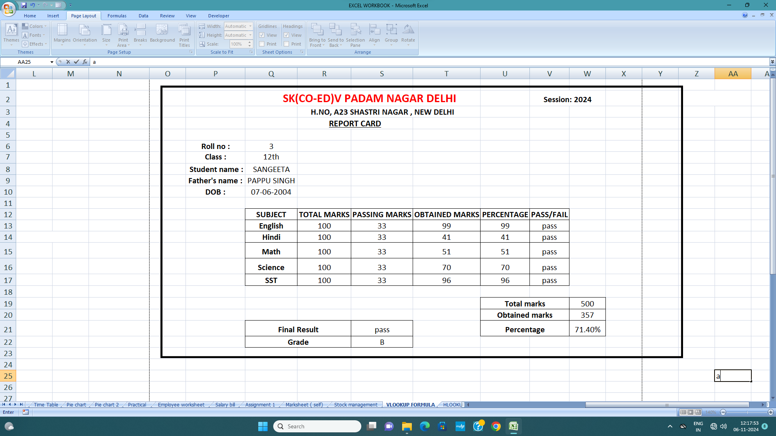
 |  |  |  |  |  |  |  |  |  |  | Science | 100 | 33 | 96 | 96 | pass
 |  |  |  |  |  |  |  |  |  |  | SST | 100 | 33 | 76 | 76 | pass

 |  |  |  |  |  |  |  |  |  |  |  |  |  |  | Total marks |  | 500
 |  |  |  |  |  |  |  |  |  |  |  |  |  |  | Obtained marks |  | 370
 |  |  |  |  |  |  |  |  |  |  | Final Result |  | pass |  | Percentage |  | 74.00%
 |  |  |  |  |  |  |  |  |  |  | Grade |  | B

 |  |  |  |  |  |  |  |  |  |  |  |  |  |  |  |  |  | a

Goal seek
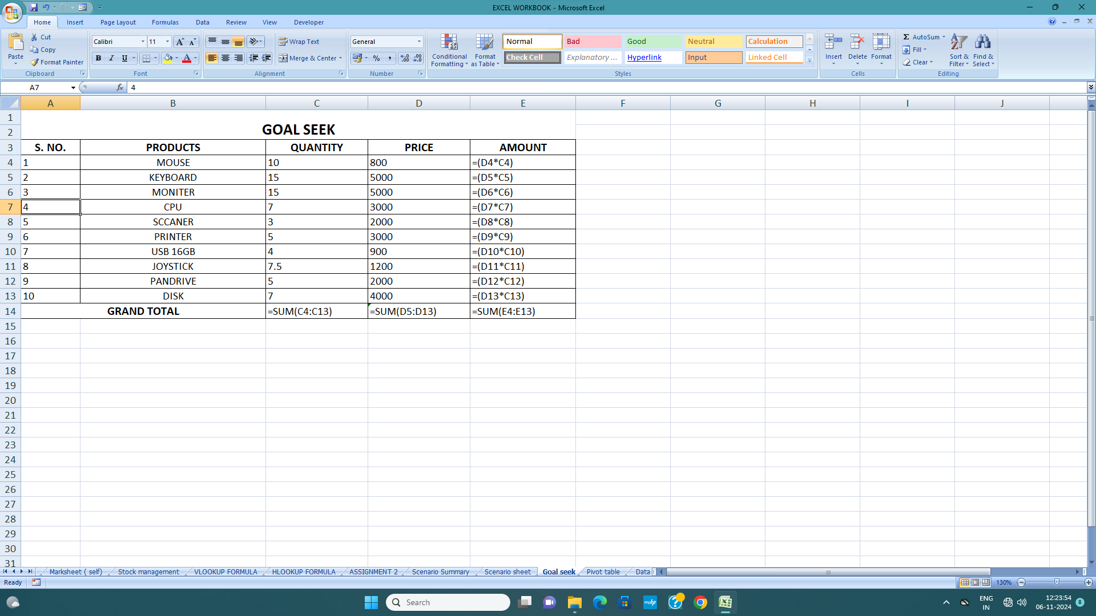
GOAL SEEK

S. NO. | PRODUCTS | QUANTITY | PRICE | AMOUNT
1 | MOUSE | 10 | 800 | 8000
2 | KEYBOARD | 15 | 5000 | 75000
3 | MONITER | 15 | 5000 | 75000
4 | CPU | 7 | 3000 | 21000
5 | SCCANER | 3 | 2000 | 6000
6 | PRINTER | 5 | 3000 | 15000
7 | USB 16GB | 4 | 900 | 3600
8 | JOYSTICK | 7.5 | 1200 | 9000
9 | PANDRIVE | 5 | 2000 | 10000
10 | DISK | 7 | 4000 | 28000
GRAND TOTAL |  | 78.5 | 26100 | 250600

3DSUM
3D SUM

ST. NAME | HINDI | MATHS | SCIENCE | S.ST | ENGLISH | TOTAL
SANGEETA | 245 | 191 | 234 | 253 | 245 | 1170
RIYA | 206 | 231 | 224 | 211 | 225 | 1097
SAKSHI | 219 | 199 | 150 | 187 | 221 | 976
PRIYA | 255 | 183 | 229 | 253 | 214 | 1134
RANI | 210 | 178 | 216 | 182 | 255 | 1041
PARAM | 265 | 260 | 206 | 254 | 232 | 1217
RAVI | 212 | 187 | 274 | 171 | 259 | 1103
SIYA | 223 | 190 | 172 | 260 | 117 | 962
RADHA | 252 | 243 | 251 | 195 | 235 | 1176
KISHAN | 194 | 193 | 257 | 177 | 186 | 1007
GOURAV | 229 | 237 | 244 | 96 | 238 | 1044

LINKED ALL SOME
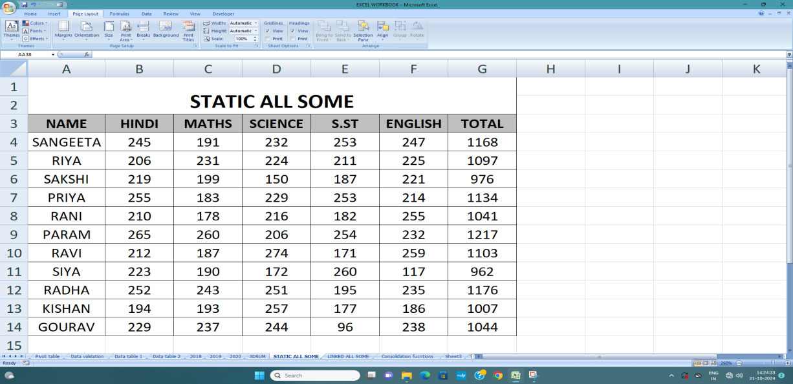
LINKED ALL SOME
ST. NAME | HINDI | MATHS | SCIENCE | S.ST | ENGLISH | TOTAL

SANGEETA | 245 | 191 | 234 | 253 | 247 | 1170

RIYA | 206 | 231 | 224 | 211 | 225 | 1097
SAKSHI | 219 | 199 | 150 | 187 | 221 | 976
PRIYA | 255 | 183 | 229 | 253 | 214 | 1134
RANI | 210 | 178 | 216 | 182 | 255 | 1041
PARAM | 265 | 260 | 206 | 254 | 232 | 1217
RAVI | 212 | 187 | 274 | 171 | 259 | 1103
SIYA | 223 | 190 | 172 | 260 | 117 | 962
RADHA | 252 | 243 | 251 | 195 | 235 | 1176
KISHAN | 194 | 193 | 257 | 177 | 186 | 1007
GOURAV | 229 | 237 | 244 | 96 | 238 | 1044

TEST
 |  | STUDENT TEST |  |  |  |  | LOOKUP
Name | Exam 1 | Exam 2 | Exam 3 | Final | Final Grade | Letter Grade | Name | Final grade
Chawla, Lisa | 100 | 90 | 95 | 100 | 96.25 | A | Chawla, Lisa | 96.25
Doshi,Mukesh | 45 | 35 | 56 | 60 | 49 | E
Elton, Roger | 56 | 76 | 74 | 70 | 69 | D
Mcdonald, Wendy | 75 | 88 | 97 | 89 | 87.25 | B
Rao, Shridhar | 85 | 99 | 82 | 95 | 90.25 | A
Renfrew, william | 90 | 90 | 85 | 89 | 88.5 | B
Washington, Adam | 80 | 88 | 87 | 94 | 87.25 | B
Yadav, Sachin | 99 | 92 | 96 | 100 | 96.75 | A

